Sheet1
How to create subdomain

A. Purpose of subdomain

 | The purpose for setting subdomain per client is for security.
 | By mix-using subdomian feature and db-filter feature in odoo configuration , you can avoid risk that client can see other client db.

 | Refer to [https://odoo-development.readthedocs.io/en/latest/admin/dbfilter.html] and to [OdooServerConfiguration.xlsx] , for db-filter feature of odoo in details.

 | This document below shows you how to create subdomain in AWS production site.
 | This subdomain creation is necessary every time you add new client.

B. How to create subdomain.

 | 1. Select Route 53 in AWS Console
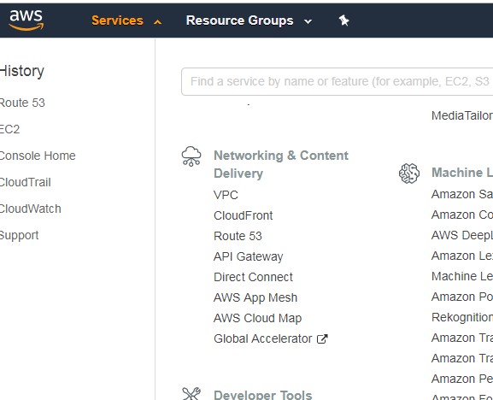

 | 2. Select Hosted zone [philippines-webcoop.com]

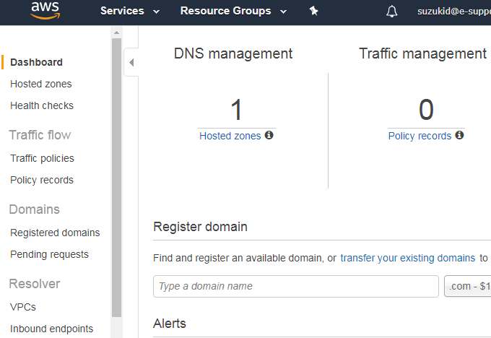

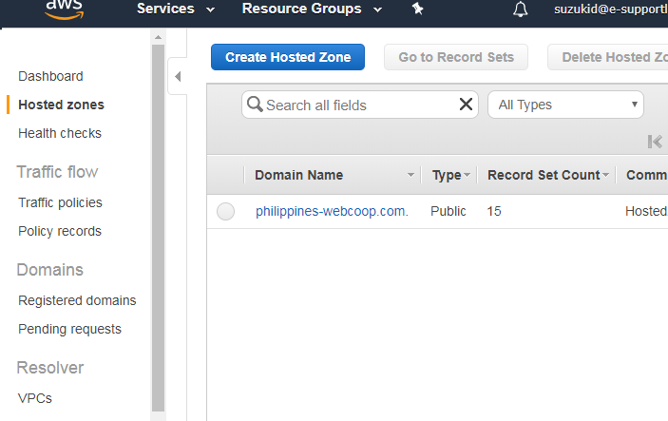

 | 3.create subdomain

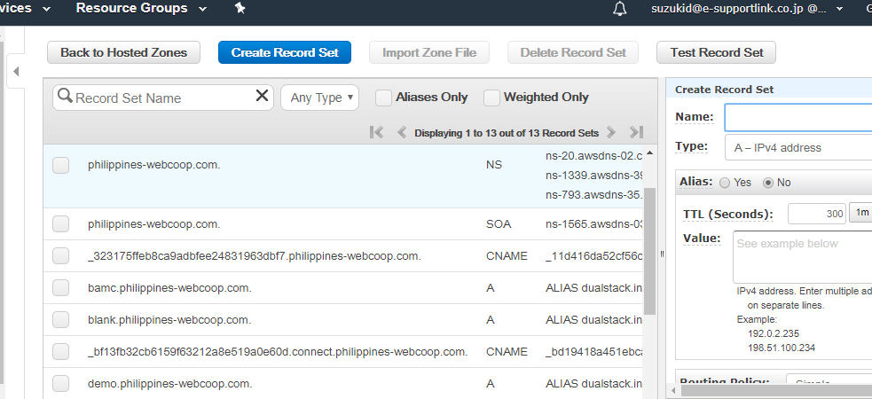

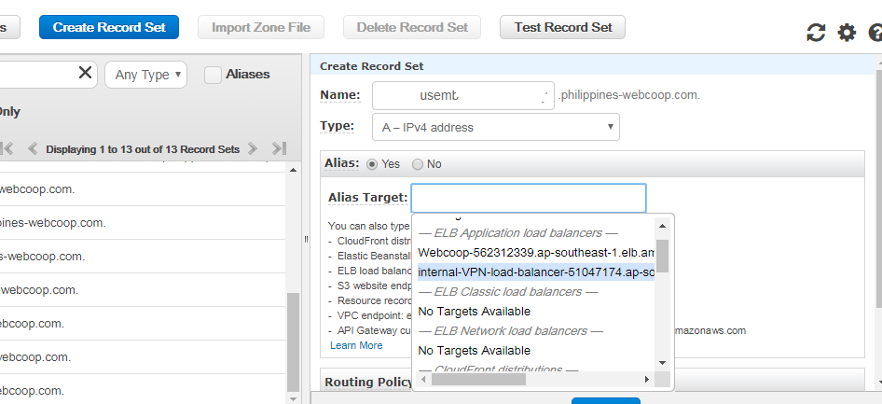

 |  |  |  |  | Name : [coop name].[8 to 10 password characterset]
 |  |  |  |  | for example : suzukicoop.Jo0Esfe
 |  |  |  |  | (use some tool for password creation (ex .http://www.luft.co.jp/cgi/randam.php )

 |  |  |  |  | select [internal-VPN-xxxxxxxx] from listbox

 | 4.create server certificates for new subdomain name

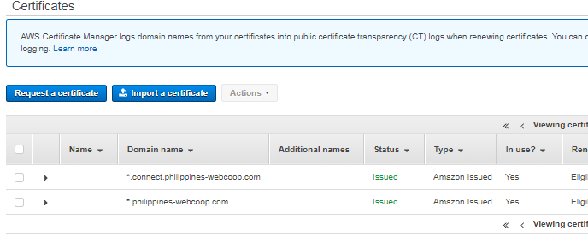

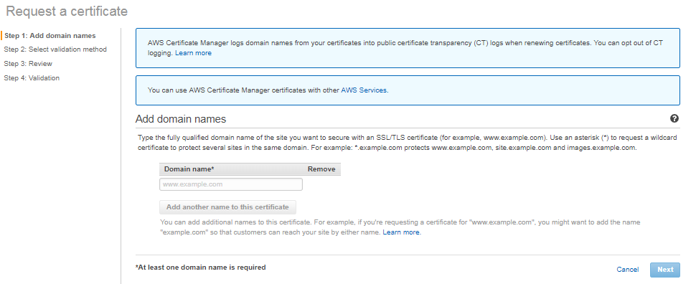

 |  |  |  |  | Input domain name (ex.suzukicoop.Jo0Esfe.philippines.com)

 |  | reference | https://docs.aws.amazon.com/ja_jp/acm/latest/userguide/gs-acm-validate-dns.html

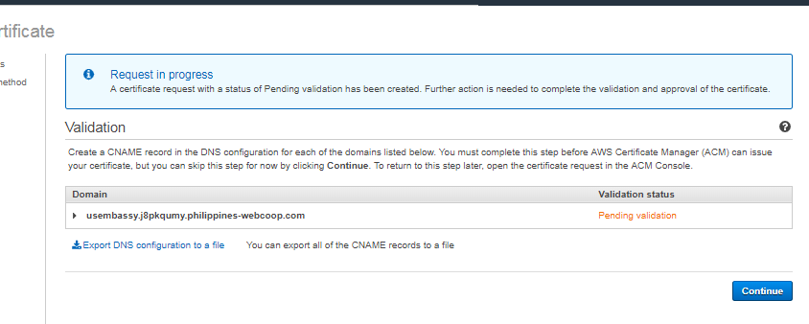

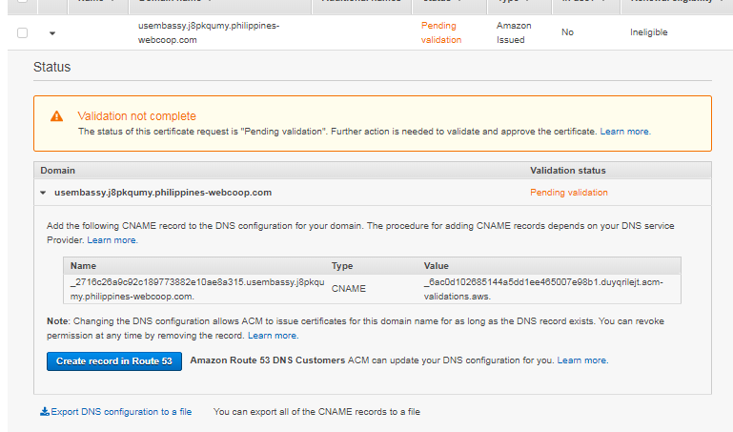

 |  |  |  | need to wait 10- 30 minutes for validation completion

 | 5. register the certificate in load balancer
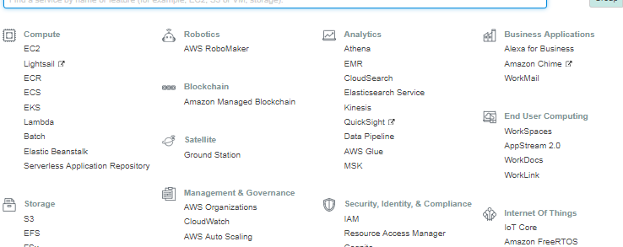

 |  |  |  |  |  | click [EC2]

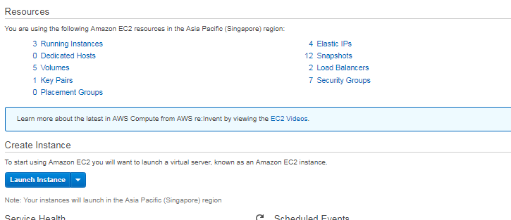

 |  |  |  |  |  | click [Load Balancers]

 |  |  |  |  |  |  |  |  | click [VPM-load-balancer]

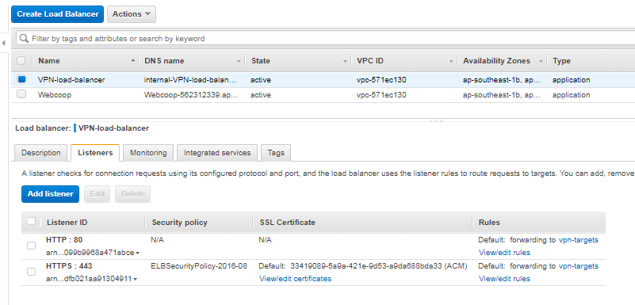

 |  |  |  |  |  |  |  | click [View/edit certificates] in Listeners tab

 |  |  |  |  |  |  | click [+]

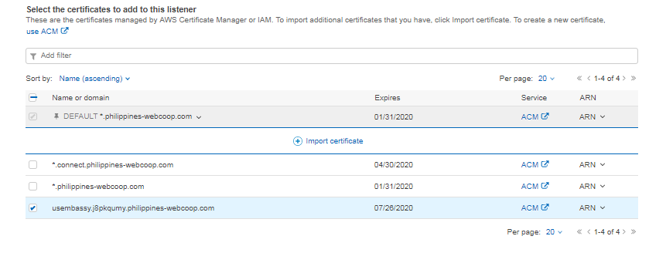

 |  |  |  |  |  |  |  | check added new certificate

